Full Data
Name of Local Authority Pension Fund | Description of holding - equity, gilts, government bonds, non govt bonds etc | Sub-category/ Classification | Number of bonds/ shares | Fund manager | Amount
South Yorkshire Integrated Transport Pension Fund
South Yorkshire Integrated Transport Pension Fund
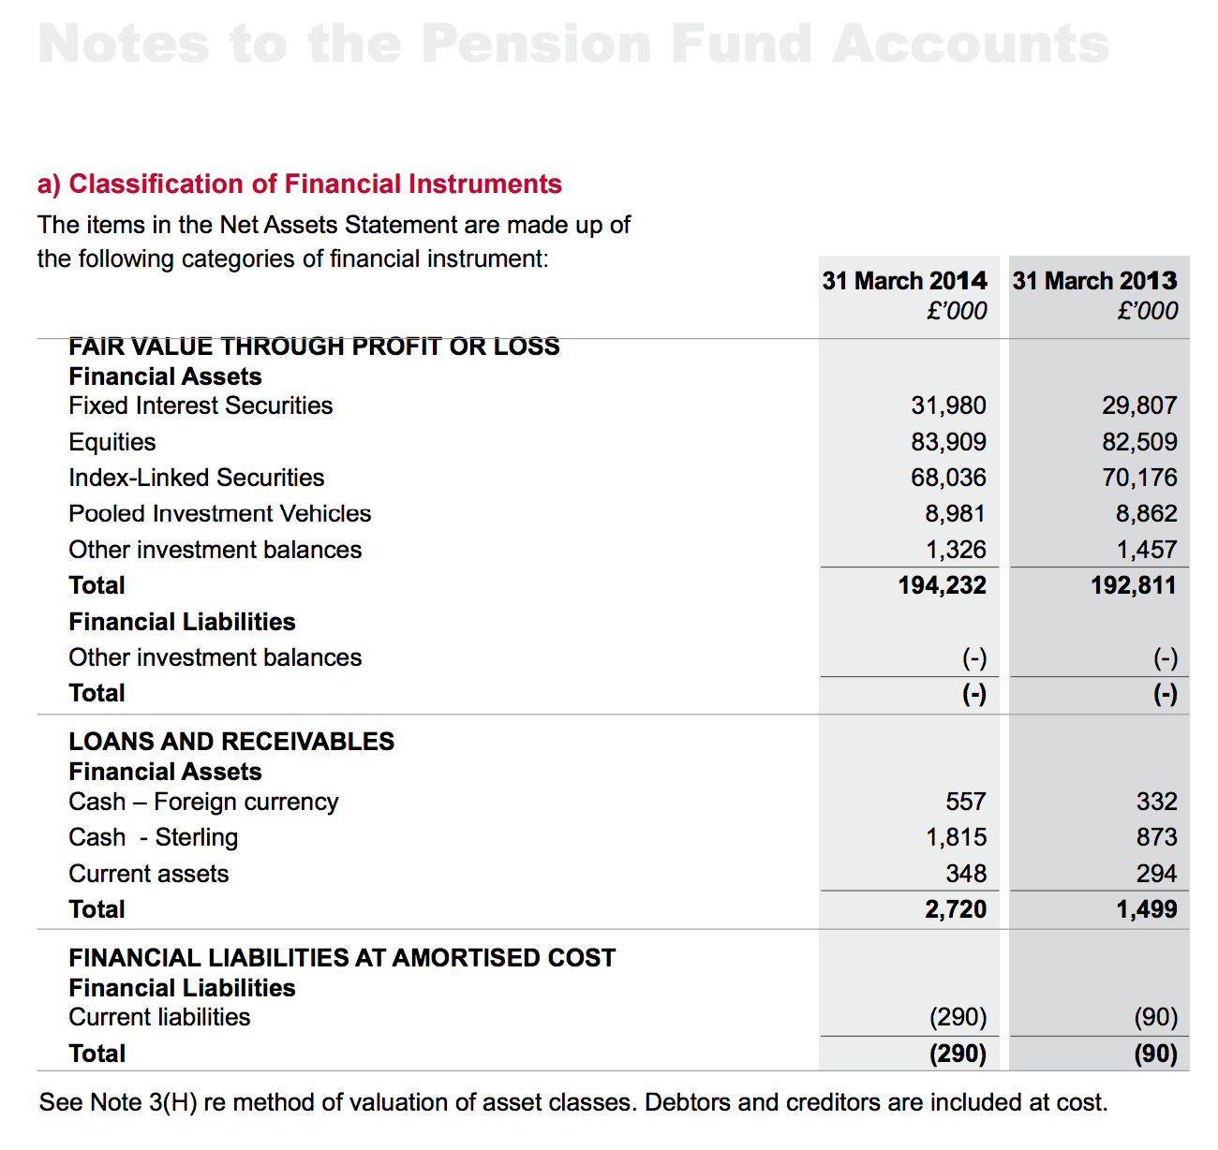
South Yorkshire Integrated Transport Pension Fund
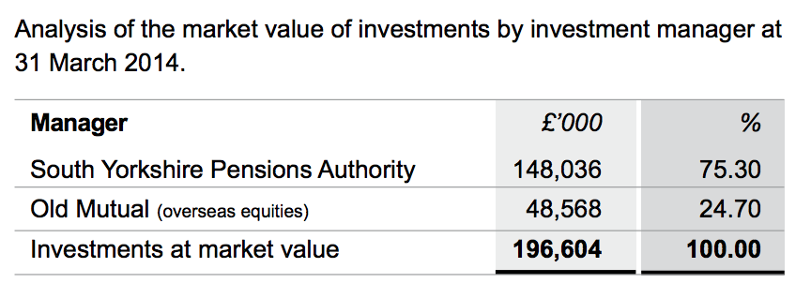
South Yorkshire Integrated Transport Pension Fund
South Yorkshire Integrated Transport Pension Fund
South Yorkshire Integrated Transport Pension Fund
South Yorkshire Integrated Transport Pension Fund
South Yorkshire Integrated Transport Pension Fund
South Yorkshire Integrated Transport Pension Fund
South Yorkshire Integrated Transport Pension Fund
South Yorkshire Integrated Transport Pension Fund
South Yorkshire Integrated Transport Pension Fund

